Prueba Marketing
 | Evaluación de Conocimientos en Excel

 | Responda los puntos presentados a continuación:

1. | En la columna "Y" de la hoja "Base", cree una fórmula que permita agrupar los plazos (COL K) de las obligaciones, según la siguiente estructura:

 | Plazo Mínimo | Plazo Máximo | Resultado
 | 12 | 24 | <=24
 | 25 | 36 | 24-36
 | 37 | 48 | 36-48
 | 49 | 60 | 48-60
 | 61 | 72 | 60-72
 | 73 | 84 | >72

2. | El LTV o Loan-to-Value es el porcentaje del vehículo que es financiado por la entidad. Se calcula mediante la división del Valor Desembolasado sobre el Valor VHC. Cree una fórmula, en la columna
 | "Z" de la hoja "Base" donde realice este cálculo. En caso de que el LTV sea menor al 20%, se debe asegurar que la fórmula arroje el resultado de 20%.
3. | En la Columna "AA" se deben homolgar los LTV para que correspondan a rangos de 20% de amplitud, por ejemplo: "20%-40%", "40%-60%",…
4. | Realice un gráfico dinámico, en la hoja "Gráfica" donde se pueda ver el número de créditos que pertenecen a cada rango de plazos, según un rango de LTV seleccionado, tal y como se ilustra a continuación:
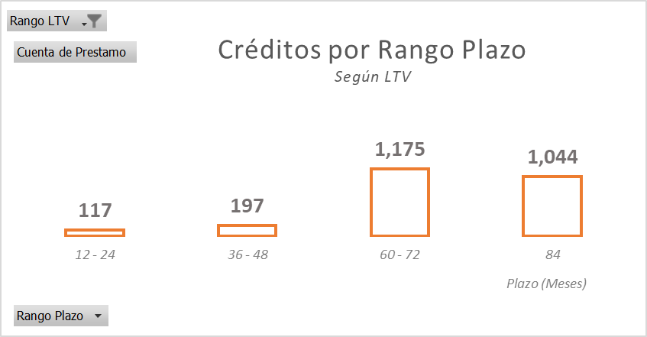

Al seleccionar "Rango LTV" se pueden seleccionar los diferentes rangos a filtrar.

5. | En la hoja "Promedios" calcule el promedio del plazo y la tasa cliente ponderados por el valor desembolsado para cada mes de desembolso
6. | En la hoja "Tabla de Amortización" construya una tabla de amortización con las siguientes condiciones:
 | c. | El monto a financiar no puede ser menor a $ 15.000.000.
 | d. | Puede elegir el plazo entre las siguientes opciones"48, 60, 72 y 84"
 | e. | La tasa se debe definir según el plazo: "48 = 0,50%, 60 = 0,80%, 72 = 1,05% y 84 = 1,20%"
 | f. | Calcule una cuota mensual para una amortización francesa en donde se incluya un seguro de vida con prima de $1.000 por millón desembolsado (fórmula PAGO)

Gráfica
Creditos por Rango Plazo Según LTV
Rango LTV | (Todas)

Etiquetas de fila | Cuenta de préstamo
<=24 | 308
25-36 | 290
37-48 | 306
49-60 | 710
61-72 | 1502
>72 | 2622
Total general | 5738

